Access Request & Approval
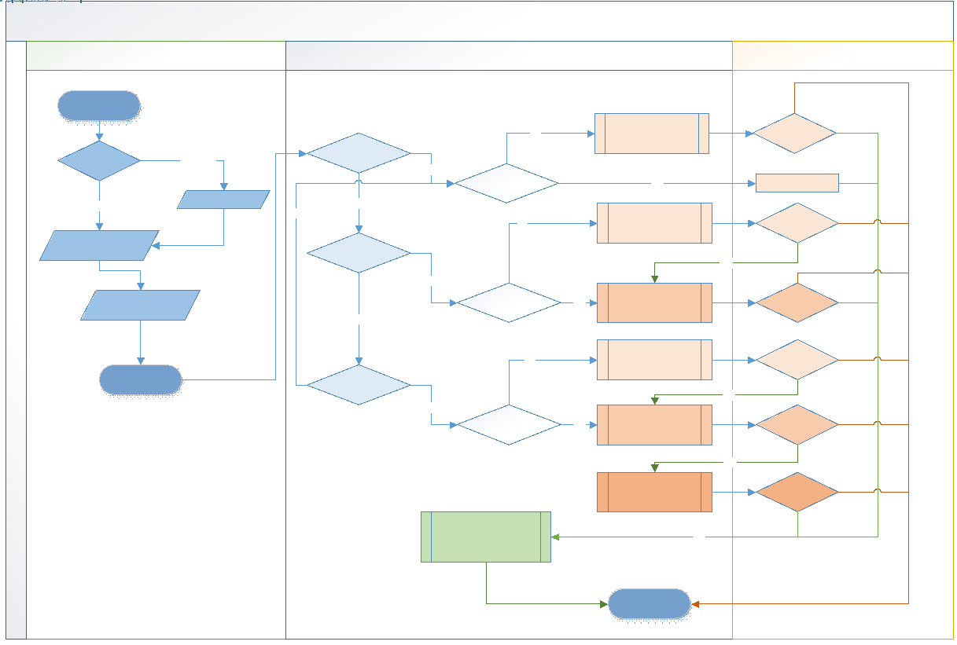
<< Go To Index >>
Risk based approval process where in entitlements risk level determines the required approval stages. - Low Risk: Level 1 (Manager) - Medium Risk: Level 1 (Manager) + Level 2 - High Risk: Level 1 (Manager) + Level 2 + Level 3

